Output
SE160A MATLAB Project: Spar Bending, Shear, and Torsion Analysis - Thin Wall Circular Cross-Section
University of California, San Diego (Copyright J.B. Kosmatka, 2024)

 | Version: | Winter, 2024 (v1.0)

 | Student Name: | Levi Stein
 | Student ID: | A16791467

 | Project Title: | Test Case

INPUT ECHO:

 | Analysis Parameters
 | Variable | Description | Value | Units
 | nplot | Number of output plot data points | 201 | 1

 | Spar Geometry Definition
 | Variable | Description | Value | Units
 | L | Length | 6.6000E+02 | inch
 | R | Mean Radius | 2.0000E+00 | inch
 | t | Wall Thickness | 2.8500E-02 | inch

 | Spar Material Definition
 | Variable | Description | Value | Units
 | r | Weight Density | 5.6000E-02 | lb/in^3
 | E | Young's modulus | 2.3500E+01 | Msi
 | G | Skin shear modulus | 6.0000E+00 | Msi
 | syT | Yield strength (tension) | 2.6300E+02 | Ksi
 | syC | Yield strength (compression) | -2.6300E+02 | Ksi
 | ty | Yield strength (shear) | 8.8000E+01 | Ksi
 | suT | Ultimate strength (tension) | 2.6300E+02 | Ksi
 | suC | Ultimate strength (compression) | -2.6300E+02 | Ksi
 | tu | Ultimate strength (shear) | 8.8000E+01 | Ksi

 | Safety Factor Definition
 | Variable | Description | Value | Units
 | SFy | Safety Factor (yield) | 1.1000E+00 | 1
 | SFu | Safety Factor (ultimate) | 1.5000E+00 | 1

 | Concentrated Test Load Definition (maximum of two simultaneous locations)
 | Variable | Description | Value (#1) | Value (#2) | Units
 | xi/L | Load Location (nondimensional) | 0.0000E+00 | 0.0000E+00 | 1
 | Pxi | Concentrated Force (x-direction) | 0.0000E+00 | 0.0000E+00 | lb
 | Pyi | Concentrated Force (y-direction) | 0.0000E+00 | 0.0000E+00 | lb
 | Pzi | Concentrated Force (z-direction) | 0.0000E+00 | 0.0000E+00 | lb
 | Mxi | Concentrated Torque (x-direction) | 0.0000E+00 | 0.0000E+00 | lb
 | Myi | Concentrated Moment (y-direction) | 0.0000E+00 | 0.0000E+00 | lb
 | Mzi | Concentrated Moment (z-direction) | 0.0000E+00 | 0.0000E+00 | lb

 | Flight Load Definition
 | Variable | Description | Value | Units
 | n | Aircraft Load factor | 1.0000E+00 | 1
 | pyo | Drag distribution (constant) | 2.2600E-03 | lb/in
 | pyr | Drag distribution (rth order) | 1.5100E-03 | lb/in
 | r | Drag distribution (polynomial order) | 1.0000E+01 | 1
 | pzo | Lift distribution (constant) | 1.9451E-01 | lb/in
 | pz2 | Lift distribution (2nd order) | -5.4470E-02 | lb/in
 | pz4 | Lift distribution (4th order) | -1.3620E-02 | lb/in
 | mxo | Twist moment distribution | 1.2453E-01 | lb-in/in
 | mx1 | Twist moment distribution (1st order) | 0.0000E+00 | lb-in/in

OUTPUT:

 | Spar Cross-Section Properties
 | Variable | Description | Value | Units
 | EA | Axial stiffness | 8.4163E+06 | lb
 | EIyy | Bending stiffness (about y-axis) | 1.6834E+07 | lb-in2
 | EIzz | Bending stiffness (about z-axis) | 1.6834E+07 | lb-in2
 | EIyz | Bending stiffness (product) | 0.0000E+00 | lb-in2
 | GJ | Torsion stiffness | 8.5958E+06 | lb-in2

 | Applied Distributed Drag (lb/inch)
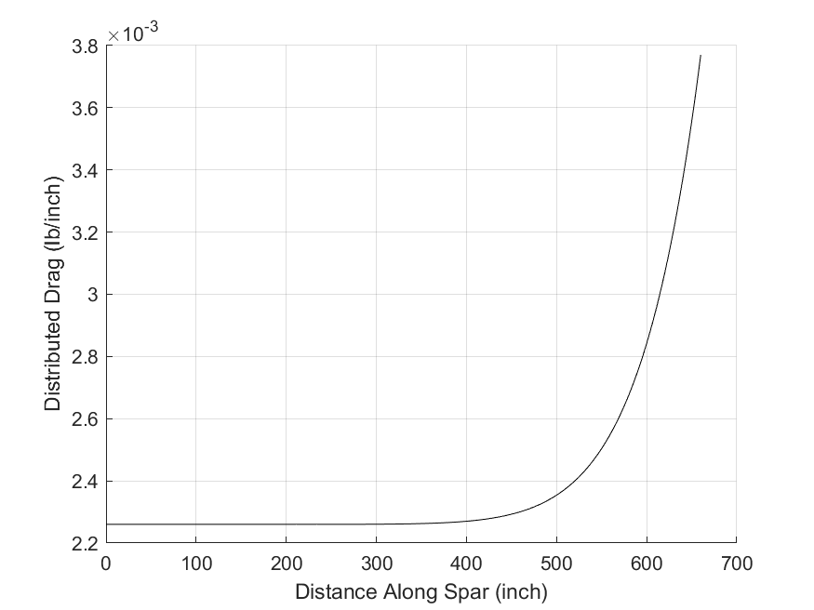
 |  | Distributed Drag Plot
 |  | x-axis: Position along spar (inch)
 |  | y-axis: Distributed Drag Force (lb/inch)

 | Applied Distributed Lift (lb/inch)
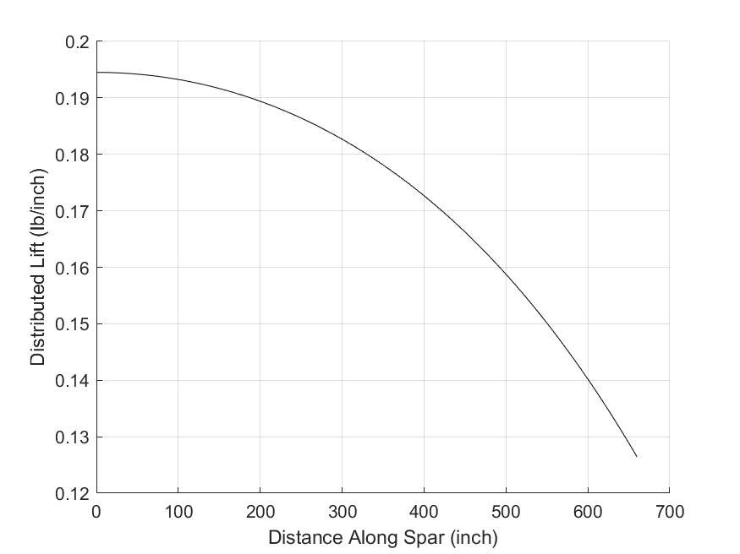
 |  | Distributed Lift Plot
 |  | x-axis: Position along spar (inch)
 |  | y-axis: Distributed Lift Force (lb/inch)

 | Applied Distributed Aerodynamic Torque (lb-inch/inch)
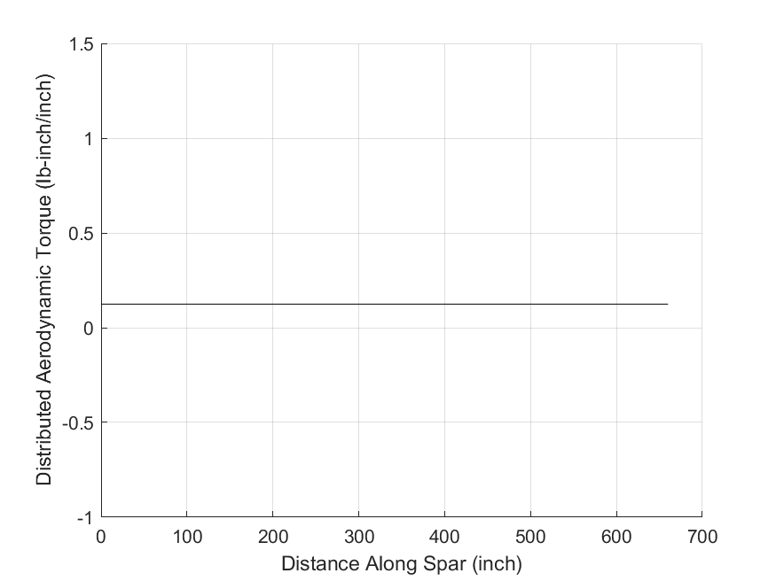
 |  | Distributed Torque Plot
 |  | x-axis: Position along spar (inch)
 |  | y-axis: Distributed Torque Force (lb-inch/inch)

 | Internal Stress Resultants (Root Only)
 | Variable | Description | Value | Units
 | Px | Axial force (x-direction) | 0.0000E+00 | lb
 | Py | Transverse force (y-direction) | 1.5822E+00 | lb
 | Pz | Transverse force (z-direction) | 1.0136E+02 | lb
 | Mx | Torque (about x-axis) | 8.2190E+01 | lb-inch
 | My | Bending moment (about y-axis) | -3.1076E+04 | lb-inch
 | Mz | Bending moment (about z-axis) | 5.4704E+02 | lb-inch

 | Internal Axial Force (X-Direction) Diagram
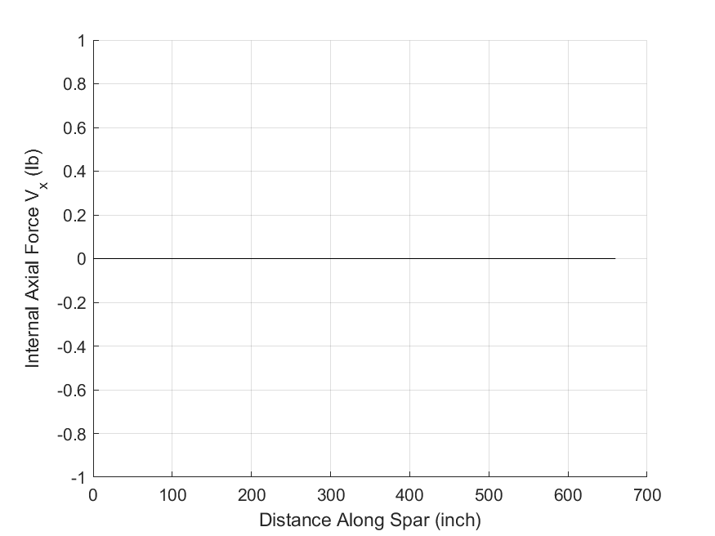
 |  | Internal Axial Force Plot
 |  | x-axis: Position along spar (inch)
 |  | y-axis: Internal Axial Force (lb)

 | Shear (Y-Direction) Diagram
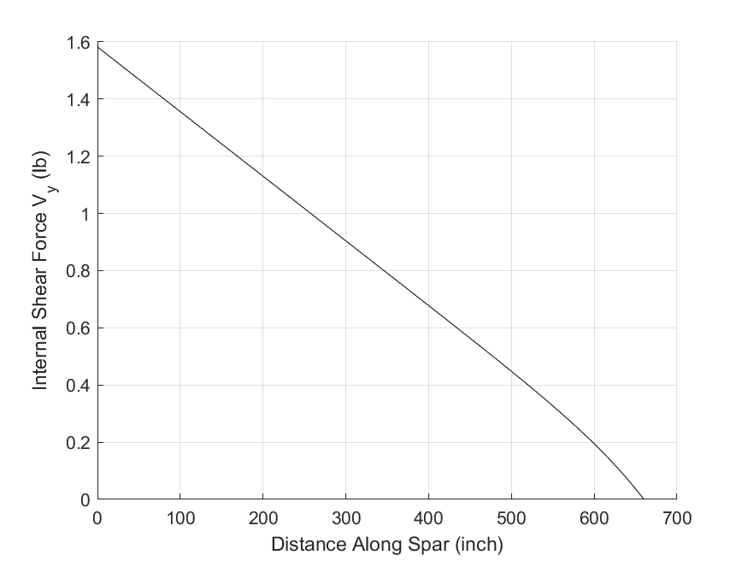
 |  | Internal Y-Direction Shear Force Plot
 |  | x-axis: Position along spar (inch)
 |  | y-axis: Internal Y-Direction Shear Force (lb)

 | Shear (Z-Direction) Diagram
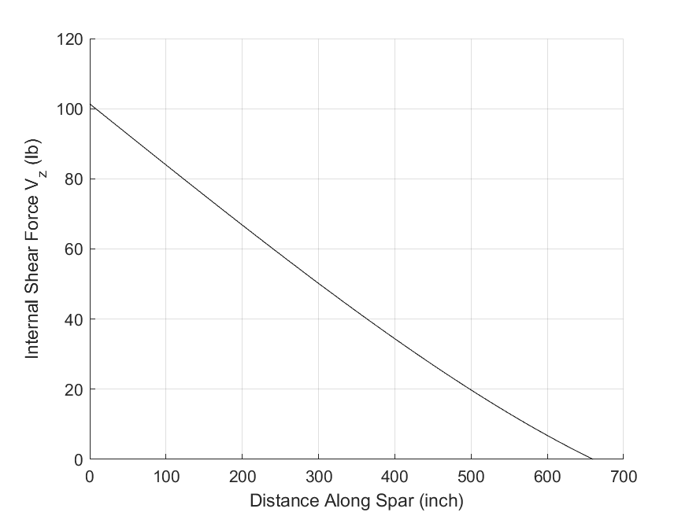
 |  | Internal Z-Direction Shear Force Plot
 |  | x-axis: Position along spar (inch)
 |  | y-axis: Internal Z-Direction Shear Force (lb)

 | Torsion Moment (about X-axis) Diagram
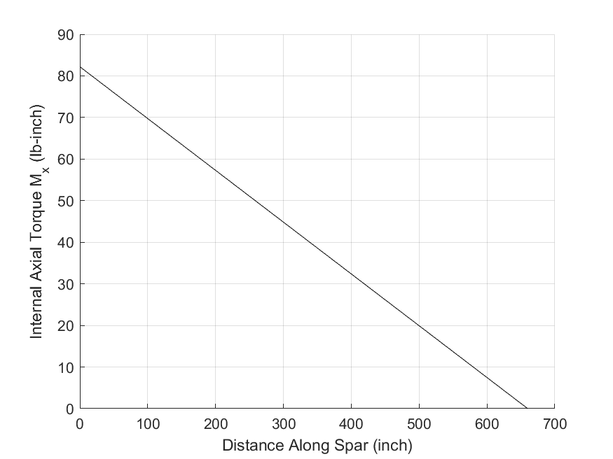
 |  | Internal Torque Along X-axis Plot
 |  | x-axis: Position along spar (inch)
 |  | y-axis: Internal Axial Torque (lb-inch)

 | Bending Moment (about Y-axis) Diagram
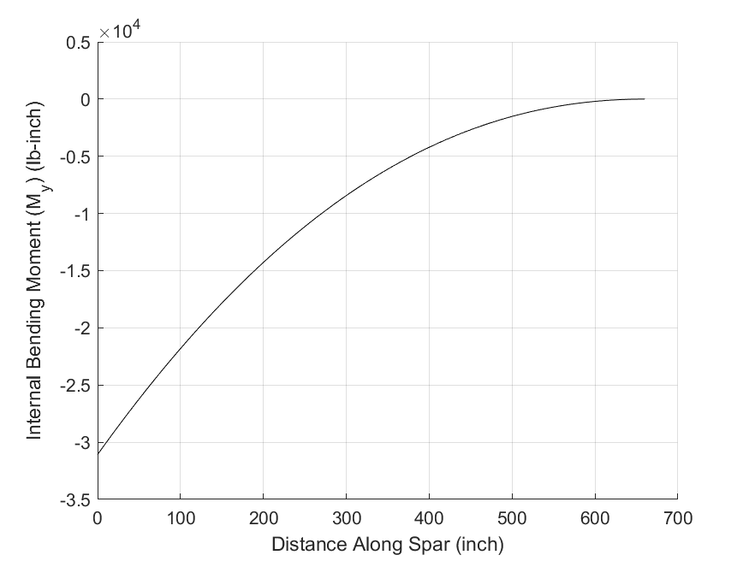
 |  | Internal Bending Moment about Y-Axis Plot
 |  | x-axis: Position along spar (inch)
 |  | y-axis: Internal Bending Moment about Y-Axis (lb-inch)

 | Bending Moment (about Z-axis) Diagram
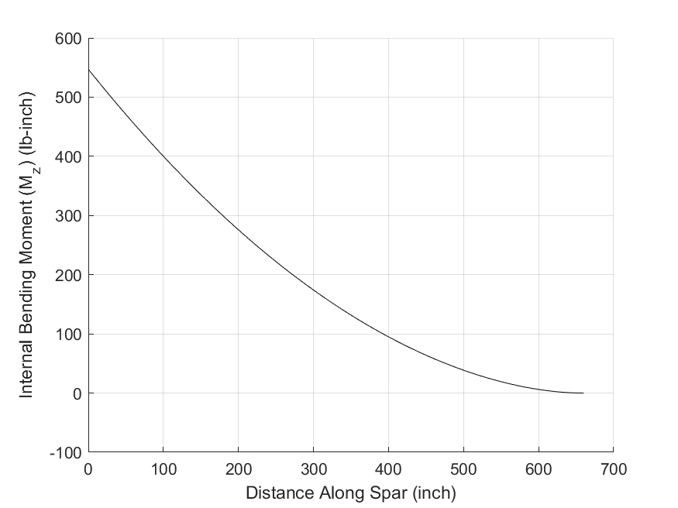
 |  | Internal Bending Moment about Z-Axis Plot
 |  | x-axis: Position along spar (inch)
 |  | y-axis: Internal Bending Moment about Z-Axis (lb-inch)

 | Spar Axial and Shear Stress Analysis (Root Only)
 | Variable | Description | (A) | (B) | (C) | (D) | Units | Allowable stress (Ksi)
 | sxx | Axial stress | -8.7383E+01 | 1.5382E+00 | 8.7383E+01 | -1.5382E+00 | Ksi | s* tension | 1.7533E+02
 | txy | Shear stress | -1.0672E-01 | 0.0000E+00 | 1.2439E-01 | 0.0000E+00 | Ksi | s* compression | -2.3909E+02
 | txz | Shear stress | 0.0000E+00 | 4.5047E-01 | 0.0000E+00 | 6.8158E-01 | Ksi | t* shear | 5.8667E+01
 | MS | Margin of Safety | 1.0065E+00 | 1.0065E+02 | 1.0065E+00 | 8.9423E+01 | 1

 | Spar Axial Stress Distribution
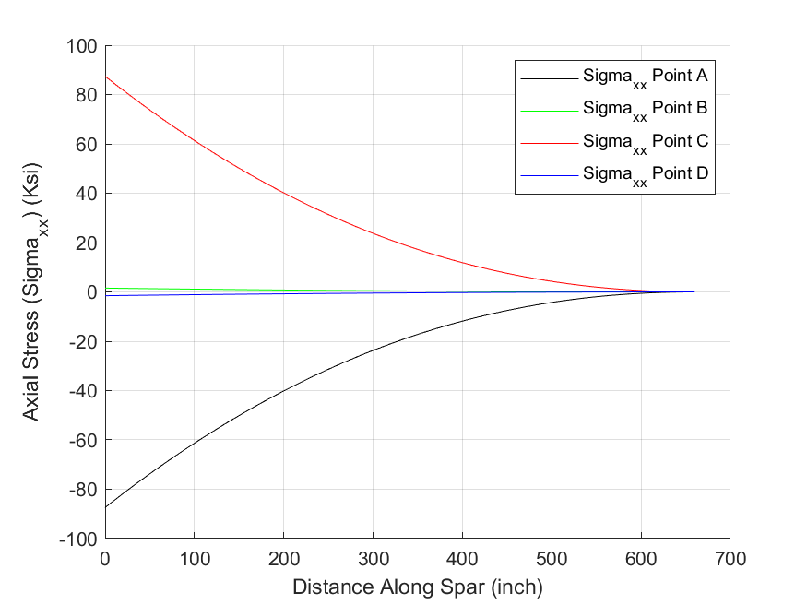
 |  | Axial Stress (sxx) Plot
 |  | x-axis: Position along spar (inch)
 |  | y-axis: Axial Stress along Spar - Points A, B, C, D (lb/inch^2)

 | Spar Shear Stress Distribution
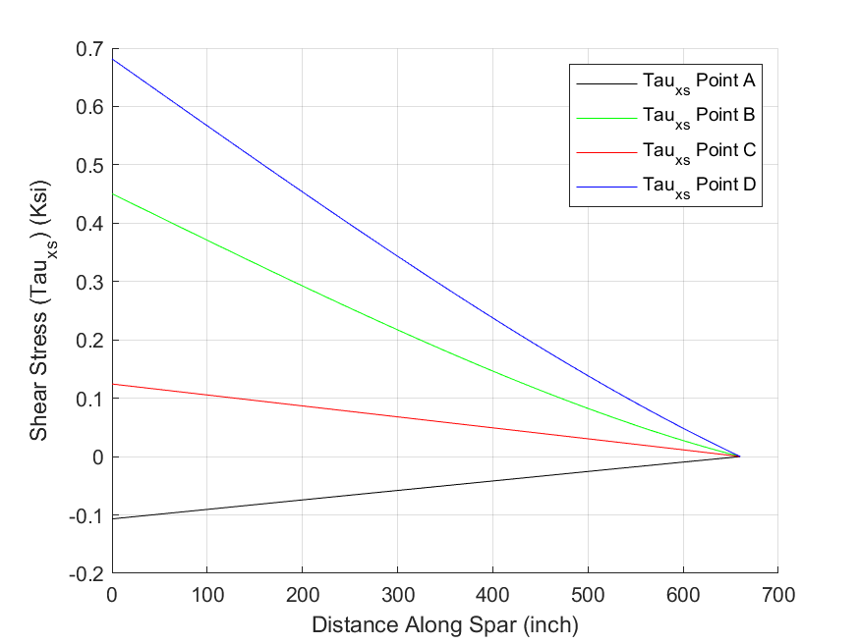
 |  | Shear Stress (txs) Plot
 |  | x-axis: Position along spar (inch)
 |  | y-axis: Shear Stress along Spar - Points A, B, C, D (lb/inch^2)

 | Spar Tip Displacement and Twist
 | Variable | Description | Value | Units
 | utip | Axial | 0.0000E+00 | inch
 | vtip | In-Plane (+rearward) | 3.6364E+00 | inch
 | wtip | Transverse (+upward) | 1.9369E+02 | inch
 | qtip | Twist (RHR about x-axis) | 1.8079E-01 | degrees
 | dvtip /dx | Slope (RHR about z axis) | 7.4249E-03 | inch/inch
 | dwtip /dx | Slope (RHR about -y axis) | 3.8693E-01 | inch/inch

 | Spar Axial (X-direction) Displacement Distribution (inch)
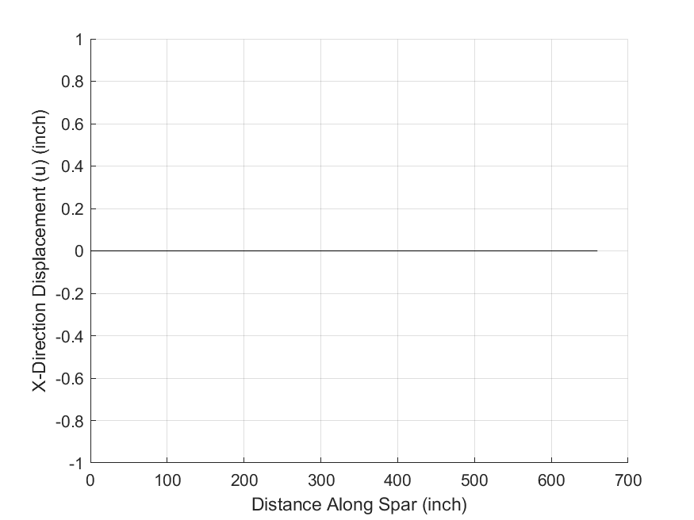
 |  | Axial (x-direction) Displacement Plot
 |  | x-axis: Position along spar (inch)
 |  | y-axis: Axial (x-direction) Displacement (inch)

 | Spar In-Plane (Y-direction) Displacement Distribution (inch)
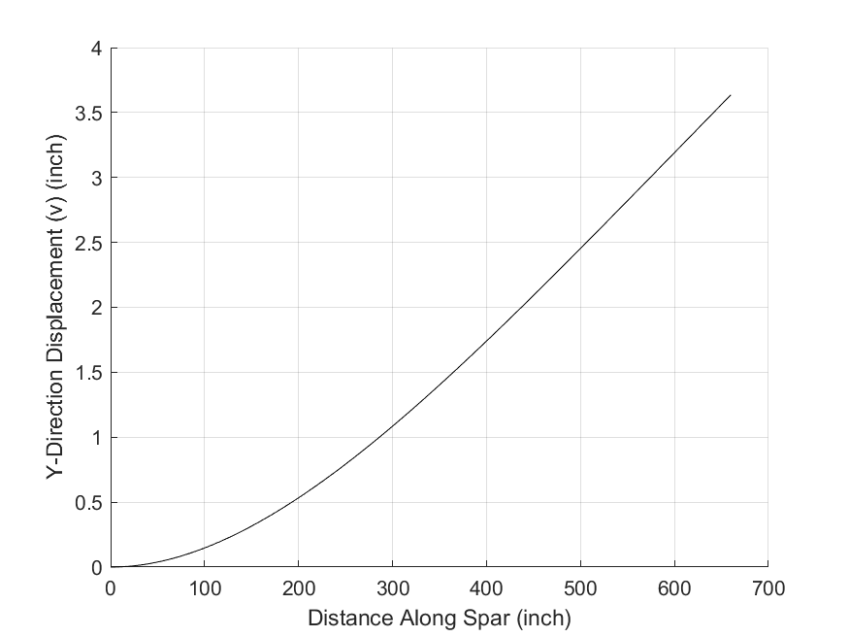
 |  | In-Plane (y-direction) Displacement Plot
 |  | x-axis: Position along spar (inch)
 |  | y-axis: In-Plane (y-direction) Displacement (inch)

 | Spar Out-of-Plane (Z-direction) Displacement Distribution (inch)
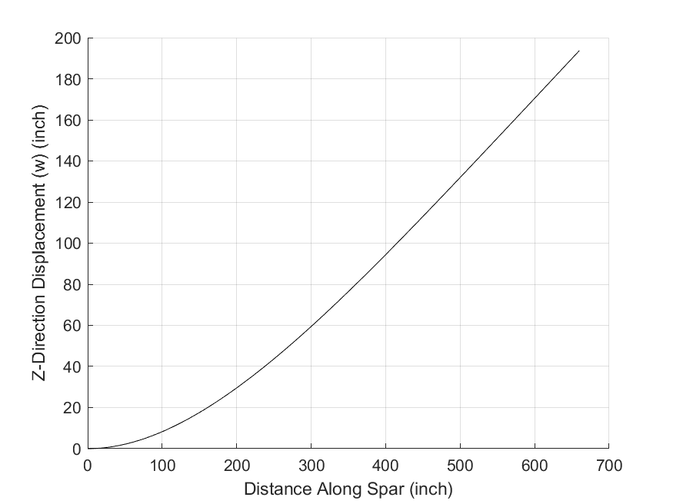
 |  | Out-of-Plane (z-direction) Displacement Plot
 |  | x-axis: Position along spar (inch)
 |  | y-axis: Out-of-Plane (z-direction) Displacement (inch)

 | Spar Twist (RHR about the +x-axis) Distribution (degree)
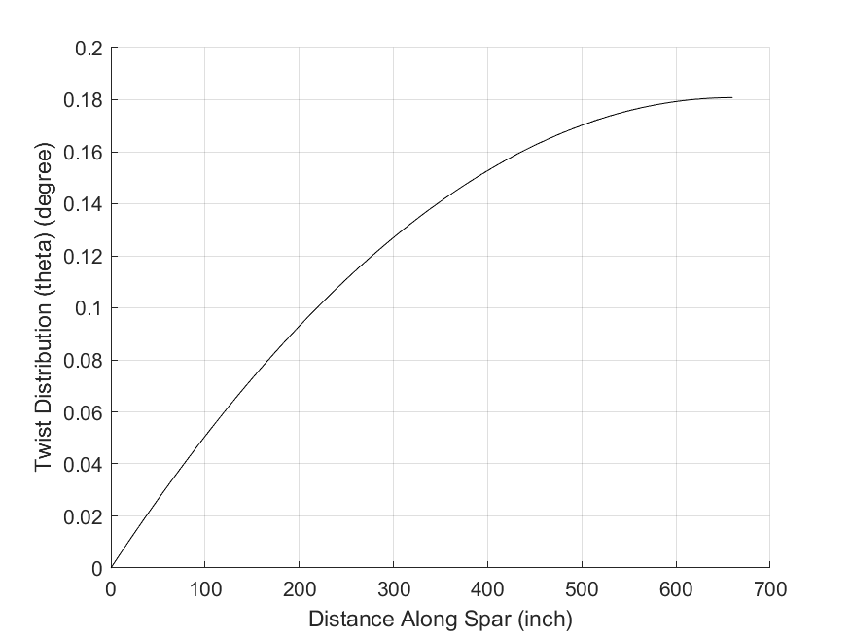
 |  | Twist Distribution Plot
 |  | x-axis: Position along spar (inch)
 |  | y-axis: Twist Distribution (degree)

 | Spar Bending Slope in the X-Y plane (RHR about the +Z-axis) Distribution (inch/inch)
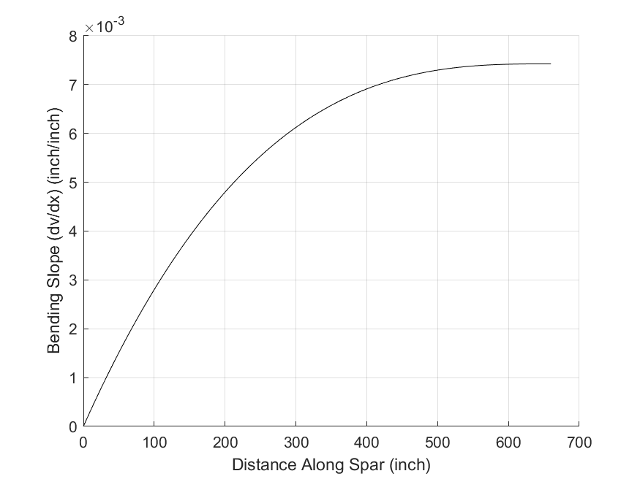
 |  | Slope in the X-Y plane (RHR about the +Z-axis) Plot
 |  | x-axis: Position along spar (inch)
 |  | y-axis: Slope in the X-Y plane (RHR about the +Z-axis) (inch/inch)

 | Spar Bending Slope in the X-Z plane (RHR about the -Y-axis) Distribution (inch/inch)
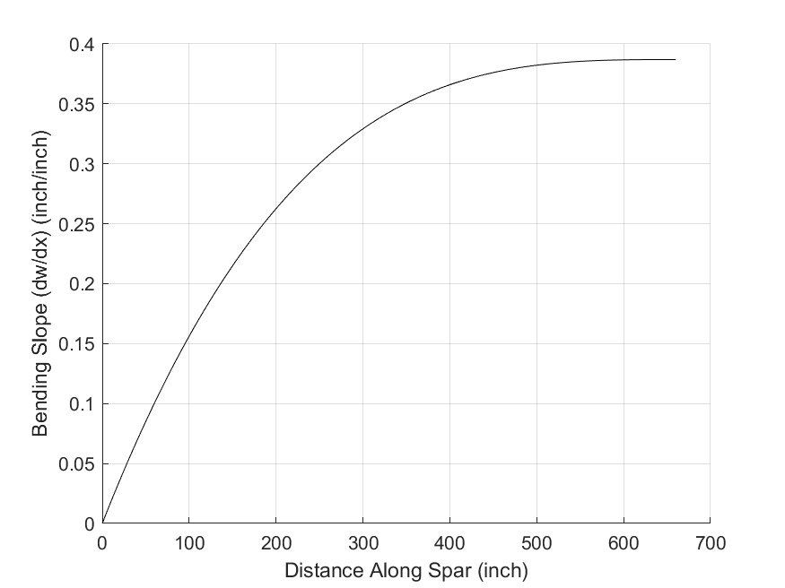
 |  | Slope in the X-Z plane (RHR about the -Y-axis) Plot
 |  | x-axis: Position along spar (inch)
 |  | y-axis: Slope in the X-Z plane (RHR about the -Y-axis) (inch/inch)

End of Output

